Cover_sheet
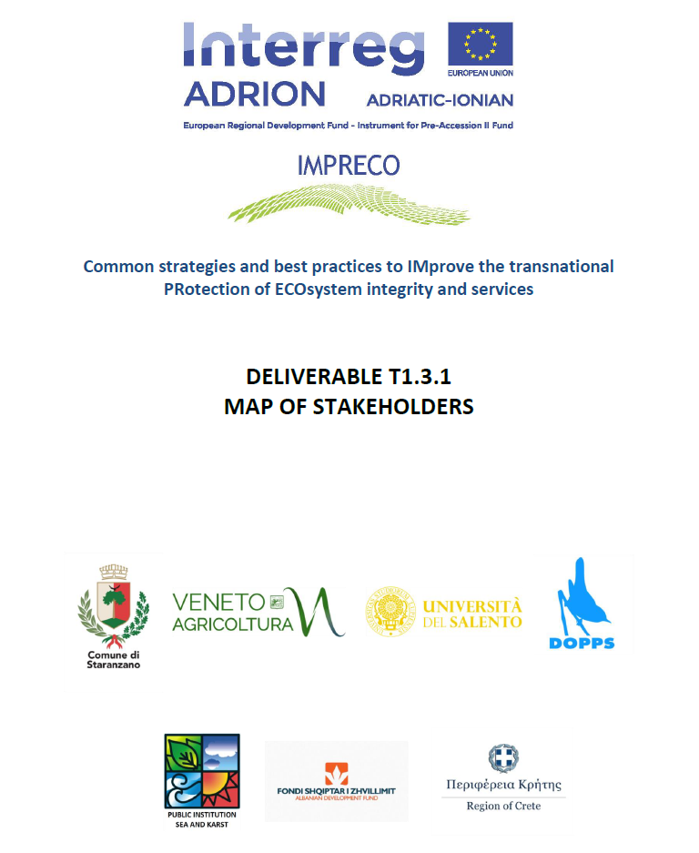

Project acronym | IMPRECO
Project full title | Common strategies and best practices to IMprove the transnational PRotection of ECOsystem integrity and services
Project Number | 450
Partner responsible | LP - Municipality of Staranzano
Editors | Francesca Visintin, Matteo de Luca, Massimiliano Pinat
Date | February 2019
Project Partner | PP4 - DOPPS-BirdLife Slovenia
Contributors | Nataša Šalaja, Bojana Lipej, Bia Rakar, Borut Mozetič, Polona Pagon, Urša Koce
Literature | Haines-Young, R. and M.B. Potschin (2018): Common International Classification of Ecosystem Services (CICES) V5.1 and Guidance on the Application of the Revised Structure. https://cices.eu/

